Baseline Dhole
Day | Feeding/Non-Feeding Day | C | De | F | Gr | In | L | Lo | OOS | P | Ru | S | Scm | Sl | Sm | Str | Vo | Total
2020-10-22 | F | 0 | 0 | 0 | 0 | 2 | 0 | 3 | 26 | 0 | 0 | 0 | 0 | 87 | 2 | 0 | 0 | 120
2020-10-23 | F | 0 | 0 | 0 | 0 | 5 | 0 | 11 | 35 | 0 | 0 | 0 | 0 | 69 | 0 | 0 | 0 | 120
2020-10-24 | NF | 0 | 0 | 0 | 0 | 0 | 0 | 5 | 17 | 0 | 0 | 0 | 0 | 98 | 0 | 0 | 0 | 120
2020-10-25 | F | 0 | 1 | 0 | 1 | 2 | 0 | 36 | 34 | 0 | 0 | 0 | 0 | 46 | 0 | 0 | 0 | 120
2020-10-26 | F | 0 | 2 | 0 | 0 | 1 | 0 | 3 | 32 | 0 | 0 | 0 | 0 | 82 | 0 | 0 | 0 | 120
2020-10-27 | F | 0 | 1 | 0 | 0 | 0 | 0 | 0 | 41 | 0 | 0 | 0 | 0 | 78 | 0 | 0 | 0 | 120
2020-10-28 | F | 0 | 0 | 0 | 0 | 0 | 0 | 0 | 22 | 0 | 0 | 0 | 0 | 98 | 0 | 0 | 0 | 120
2021-02-13 | NF | 0 | 0 | 0 | 0 | 0 | 0 | 63 | 47 | 0 | 0 | 0 | 0 | 10 | 0 | 0 | 0 | 120
2021-02-14 | F | 0 | 0 | 0 | 0 | 1 | 0 | 28 | 31 | 0 | 0 | 0 | 0 | 60 | 0 | 0 | 0 | 120
2021-02-16 | F | 0 | 0 | 0 | 0 | 0 | 0 | 6 | 44 | 0 | 0 | 0 | 0 | 70 | 0 | 0 | 0 | 120
2021-02-17 | F | 0 | 1 | 0 | 0 | 4 | 0 | 3 | 54 | 0 | 0 | 0 | 0 | 58 | 0 | 0 | 0 | 120
2021-02-18 | F | 0 | 0 | 0 | 0 | 0 | 0 | 39 | 33 | 0 | 0 | 0 | 0 | 48 | 0 | 0 | 0 | 120
2021-02-19 | F | 0 | 1 | 0 | 0 | 0 | 0 | 1 | 60 | 0 | 0 | 0 | 0 | 58 | 0 | 0 | 0 | 120
2021-02-20 | NF | 0 | 0 | 0 | 4 | 0 | 0 | 8 | 14 | 0 | 0 | 0 | 0 | 94 | 0 | 0 | 0 | 120
2021-02-21 | F | 0 | 1 | 0 | 2 | 0 | 0 | 40 | 49 | 0 | 0 | 0 | 0 | 26 | 2 | 0 | 0 | 120
2021-02-22 | F | 0 | 0 | 0 | 0 | 0 | 0 | 12 | 38 | 0 | 0 | 0 | 0 | 68 | 2 | 0 | 0 | 120
2021-02-23 | F | 0 | 0 | 0 | 1 | 4 | 0 | 13 | 15 | 0 | 0 | 0 | 0 | 87 | 0 | 0 | 0 | 120
2021-02-24 | F | 0 | 0 | 1 | 0 | 0 | 0 | 52 | 43 | 0 | 0 | 0 | 1 | 21 | 2 | 0 | 0 | 120
2021-02-25 | F | 0 | 1 | 0 | 0 | 4 | 0 | 9 | 25 | 0 | 0 | 0 | 0 | 81 | 0 | 0 | 0 | 120
2021-02-26 | F | 0 | 2 | 0 | 0 | 1 | 0 | 11 | 67 | 0 | 0 | 0 | 0 | 39 | 0 | 0 | 0 | 120
2021-02-28 | F | 0 | 1 | 0 | 0 | 4 | 0 | 39 | 45 | 0 | 0 | 0 | 0 | 25 | 6 | 0 | 0 | 120
2021-03-02 | F | 0 | 0 | 0 | 0 | 0 | 0 | 0 | 71 | 0 | 0 | 0 | 0 | 45 | 4 | 0 | 0 | 120
2021-03-03 | F | 0 | 0 | 0 | 1 | 0 | 0 | 34 | 29 | 0 | 0 | 0 | 0 | 56 | 0 | 0 | 0 | 120
2021-03-04 | F | 0 | 0 | 0 | 0 | 0 | 0 | 66 | 35 | 0 | 0 | 0 | 0 | 18 | 1 | 0 | 0 | 120
2021-03-05 | F | 0 | 0 | 0 | 0 | 0 | 0 | 6 | 36 | 0 | 0 | 0 | 0 | 78 | 0 | 0 | 0 | 120
2021-03-06 | NF | 0 | 0 | 2 | 0 | 0 | 0 | 49 | 32 | 0 | 0 | 0 | 0 | 37 | 0 | 0 | 0 | 120
2021-03-07 | F | 0 | 0 | 0 | 0 | 0 | 0 | 18 | 67 | 0 | 0 | 0 | 0 | 31 | 4 | 0 | 0 | 120
2021-03-09 | F | 0 | 0 | 0 | 0 | 1 | 0 | 0 | 48 | 0 | 0 | 0 | 0 | 71 | 0 | 0 | 0 | 120
2021-03-10 | F | 0 | 0 | 0 | 3 | 1 | 0 | 19 | 17 | 0 | 3 | 0 | 0 | 77 | 0 | 0 | 0 | 120
2021-03-11 | F | 0 | 0 | 0 | 0 | 4 | 0 | 2 | 0 | 0 | 0 | 0 | 0 | 114 | 0 | 0 | 0 | 120
Totals |  | 0 | 11 | 3 | 12 | 34 | 0 | 576 | 1107 | 0 | 3 | 0 | 1 | 1830 | 23 | 0 | 0 | 3600
Activity level (%) |  | 0.00% | 0.31% | 0.08% | 0.33% | 0.94% | 0.00% | 16.00% | 30.75% | 0.00% | 0.08% | 0.00% | 0.03% | 50.83% | 0.64% | 0.00% | 0.00%
Mean |  | 0.00 | 0.37 | 0.10 | 0.40 | 1.13 | 0.00 | 19.20 | 36.90 | 0.00 | 0.10 | 0.00 | 0.03 | 61.00 | 0.77 | 0.00 | 0.00
Standard Deviation |  | 0.00 | 0.61 | 0.40 | 0.97 | 1.66 | 0.00 | 20.14 | 16.78 | 0.00 | 0.55 | 0.00 | 0.18 | 27.03 | 1.52 | 0.00 | 0.00
Percentage of time spent engaged in specified behaviour across Baseline Stage (Red Dholes)
 | Behaviours
C | 0.00%
De | 0.31%
F | 0.08%
Gr | 0.33%
In | 0.94%
L | 0.00%
Lo | 16.00%
OOS | 30.75%
P | 0.00%
Ru | 0.08%
S | 0.00%
Scm | 0.03%
Sl | 50.83%
Sm | 0.64%
Str | 0.00%
Vo | 0.00%

Baseline Tiger
Day | Gender | Feeding/Non-Feeding Days | Activity
 |  |  | C | De | F | Gr | In | L | Lo | OOS | P | Ru | S | Sc | Scm | Sl | Sm | Str | Vo | Time Check (mins)
2020-10-23 | 1.0 "Bongsu" | F | 0:00:00 | 0:00:00 | 0:00:00 | 0:00:00 | 0:00:00 | 0:00:00 | 0:00:00 | 0:00:00 | 0:00:00 | 0:00:00 | 0:00:00 | 0:00:00 | 0:00:00 | 0:10:00 | 0:00:00 | 0:00:00 | 0:00:00 | 0:10:00
2020-10-25 | 1.0 "Bongsu" | NF | 0:00:00 | 0:00:00 | 0:00:00 | 0:00:00 | 0:00:00 | 0:00:00 | 0:09:55 | 0:00:00 | 0:00:00 | 0:00:00 | 0:00:00 | 0:00:00 | 0:00:00 | 0:00:00 | 0:00:00 | 0:00:00 | 0:00:05 | 0:10:00
2020-10-29 | 1.0 "Bongsu" | NF | 0:00:00 | 0:00:14 | 0:00:00 | 0:00:00 | 0:00:00 | 0:00:00 | 0:09:32 | 0:00:00 | 0:00:00 | 0:00:00 | 0:00:00 | 0:00:00 | 0:00:03 | 0:00:00 | 0:00:11 | 0:00:00 | 0:00:00 | 0:10:00
2020-11-01 | 1.0 "Bongsu" | NF | 0:00:00 | 0:00:00 | 0:00:00 | 0:00:00 | 0:00:00 | 0:00:00 | 0:00:00 | 0:00:00 | 0:00:00 | 0:00:05 | 0:00:00 | 0:00:00 | 0:00:00 | 0:09:55 | 0:00:00 | 0:00:00 | 0:00:00 | 0:10:00
2020-11-03 | 1.0 "Bongsu" | NF | 0:00:00 | 0:00:00 | 0:00:00 | 0:00:00 | 0:00:00 | 0:00:00 | 0:00:00 | 0:00:00 | 0:00:00 | 0:00:00 | 0:00:00 | 0:00:00 | 0:00:00 | 0:10:00 | 0:00:00 | 0:00:00 | 0:00:00 | 0:10:00
2021-01-01 | 1.0 "Bongsu" | F | 0:00:00 | 0:00:00 | 0:00:00 | 0:00:00 | 0:00:00 | 0:00:00 | 0:10:00 | 0:00:00 | 0:00:00 | 0:00:00 | 0:00:00 | 0:00:00 | 0:00:00 | 0:00:00 | 0:00:00 | 0:00:00 | 0:00:00 | 0:10:00
2021-01-02 | 1.0 "Bongsu" | NF | 0:00:00 | 0:00:00 | 0:00:00 | 0:00:00 | 0:00:00 | 0:00:00 | 0:00:00 | 0:00:00 | 0:00:00 | 0:00:01 | 0:00:00 | 0:00:00 | 0:00:00 | 0:09:59 | 0:00:00 | 0:00:00 | 0:00:00 | 0:10:00
2021-01-03 | 1.0 "Bongsu" | NF | 0:00:00 | 0:00:00 | 0:00:00 | 0:00:00 | 0:00:00 | 0:00:00 | 0:10:00 | 0:00:00 | 0:00:00 | 0:00:00 | 0:00:00 | 0:00:00 | 0:00:00 | 0:00:00 | 0:00:00 | 0:00:00 | 0:00:00 | 0:10:00
2021-01-04 | 1.0 "Bongsu" | F | 0:00:00 | 0:00:00 | 0:00:00 | 0:00:00 | 0:00:00 | 0:00:00 | 0:00:00 | 0:00:00 | 0:00:00 | 0:00:00 | 0:00:00 | 0:00:00 | 0:00:00 | 0:09:58 | 0:00:00 | 0:00:02 | 0:00:00 | 0:10:00
2021-01-05 | 1.0 "Bongsu" | NF | 0:00:00 | 0:00:19 | 0:00:00 | 0:00:00 | 0:00:19 | 0:00:00 | 0:08:35 | 0:00:00 | 0:00:00 | 0:00:00 | 0:00:22 | 0:00:00 | 0:00:07 | 0:00:00 | 0:00:12 | 0:00:00 | 0:00:06 | 0:10:00
2021-01-07 | 1.0 "Bongsu" | NF | 0:00:00 | 0:00:00 | 0:00:00 | 0:00:00 | 0:00:02 | 0:00:00 | 0:09:58 | 0:00:00 | 0:00:00 | 0:00:00 | 0:00:00 | 0:00:00 | 0:00:00 | 0:00:00 | 0:00:00 | 0:00:00 | 0:00:00 | 0:10:00
2021-01-08 | 1.0 "Bongsu" | F | 0:00:00 | 0:00:00 | 0:00:00 | 0:00:03 | 0:00:00 | 0:00:00 | 0:05:27 | 0:00:00 | 0:00:00 | 0:00:00 | 0:00:00 | 0:00:00 | 0:00:00 | 0:04:30 | 0:00:00 | 0:00:00 | 0:00:00 | 0:10:00
2021-01-09 | 1.0 "Bongsu" | NF | 0:00:00 | 0:00:00 | 0:00:00 | 0:00:00 | 0:00:00 | 0:00:00 | 0:00:00 | 0:00:00 | 0:00:00 | 0:00:00 | 0:00:00 | 0:00:00 | 0:00:00 | 0:10:00 | 0:00:00 | 0:00:00 | 0:00:00 | 0:10:00
2021-01-11 | 1.0 "Bongsu" | F | 0:00:00 | 0:00:00 | 0:00:00 | 0:00:00 | 0:00:00 | 0:00:00 | 0:00:00 | 0:00:00 | 0:00:00 | 0:00:00 | 0:00:00 | 0:00:00 | 0:00:00 | 0:10:00 | 0:00:00 | 0:00:00 | 0:00:00 | 0:10:00
2021-01-12 | 1.0 "Bongsu" | NF | 0:00:00 | 0:00:00 | 0:00:00 | 0:00:00 | 0:00:00 | 0:00:00 | 0:00:00 | 0:00:00 | 0:00:00 | 0:00:00 | 0:00:00 | 0:00:00 | 0:00:00 | 0:10:00 | 0:00:00 | 0:00:00 | 0:00:00 | 0:10:00
2021-01-13 | 1.0 "Bongsu" | F | 0:00:00 | 0:00:00 | 0:00:00 | 0:00:00 | 0:00:00 | 0:00:00 | 0:07:04 | 0:00:00 | 0:00:00 | 0:00:00 | 0:00:00 | 0:00:10 | 0:00:00 | 0:02:46 | 0:00:00 | 0:00:00 | 0:00:00 | 0:10:00
2021-01-14 | 1.0 "Bongsu" | NF | 0:00:00 | 0:00:00 | 0:00:00 | 0:00:00 | 0:00:00 | 0:00:00 | 0:00:00 | 0:00:00 | 0:00:00 | 0:00:00 | 0:00:00 | 0:00:00 | 0:00:00 | 0:10:00 | 0:00:00 | 0:00:00 | 0:00:00 | 0:10:00
2021-01-15 | 1.0 "Bongsu" | F | 0:00:00 | 0:00:00 | 0:00:00 | 0:00:00 | 0:00:00 | 0:00:00 | 0:00:00 | 0:00:00 | 0:00:00 | 0:00:00 | 0:00:00 | 0:00:00 | 0:00:00 | 0:10:00 | 0:00:00 | 0:00:00 | 0:00:00 | 0:10:00
2021-01-16 | 1.0 "Bongsu" | NF | 0:00:00 | 0:00:00 | 0:00:00 | 0:00:00 | 0:00:00 | 0:00:00 | 0:00:00 | 0:00:00 | 0:00:00 | 0:00:00 | 0:00:00 | 0:00:00 | 0:00:00 | 0:10:00 | 0:00:00 | 0:00:00 | 0:00:00 | 0:10:00
2021-01-21 | 1.0 "Bongsu" | NF | 0:00:00 | 0:00:00 | 0:00:00 | 0:00:00 | 0:00:00 | 0:00:00 | 0:06:27 | 0:00:00 | 0:00:00 | 0:00:00 | 0:00:00 | 0:00:00 | 0:00:00 | 0:03:33 | 0:00:00 | 0:00:00 | 0:00:00 | 0:10:00
2021-01-22 | 1.0 "Bongsu" | F | 0:00:00 | 0:00:00 | 0:00:00 | 0:00:00 | 0:00:00 | 0:00:00 | 0:10:00 | 0:00:00 | 0:00:00 | 0:00:00 | 0:00:00 | 0:00:00 | 0:00:00 | 0:00:00 | 0:00:00 | 0:00:00 | 0:00:00 | 0:10:00
2021-01-23 | 1.0 "Bongsu" | NF | 0:00:00 | 0:00:00 | 0:00:00 | 0:05:01 | 0:00:00 | 0:00:00 | 0:00:16 | 0:00:00 | 0:00:00 | 0:00:00 | 0:00:31 | 0:00:00 | 0:00:00 | 0:04:12 | 0:00:00 | 0:00:00 | 0:00:00 | 0:10:00
2021-01-24 | 1.0 "Bongsu" | NF | 0:00:00 | 0:00:00 | 0:00:00 | 0:00:00 | 0:00:00 | 0:00:00 | 0:00:14 | 0:00:00 | 0:00:00 | 0:00:00 | 0:00:00 | 0:00:00 | 0:00:00 | 0:09:46 | 0:00:00 | 0:00:00 | 0:00:00 | 0:10:00
2021-01-28 | 1.0 "Bongsu" | NF | 0:00:00 | 0:00:00 | 0:00:00 | 0:00:00 | 0:00:00 | 0:00:00 | 0:00:00 | 0:00:00 | 0:00:00 | 0:00:00 | 0:00:00 | 0:00:00 | 0:00:00 | 0:10:00 | 0:00:00 | 0:00:00 | 0:00:00 | 0:10:00
2021-01-30 | 1.0 "Bongsu" | NF | 0:00:00 | 0:00:00 | 0:00:00 | 0:00:00 | 0:00:00 | 0:00:00 | 0:10:00 | 0:00:00 | 0:00:00 | 0:00:00 | 0:00:00 | 0:00:00 | 0:00:00 | 0:00:00 | 0:00:00 | 0:00:00 | 0:00:00 | 0:10:00
2021-02-03 | 1.0 "Bongsu" | F | 0:00:00 | 0:00:00 | 0:00:00 | 0:00:00 | 0:00:00 | 0:00:00 | 0:00:00 | 0:00:00 | 0:00:00 | 0:00:00 | 0:00:00 | 0:00:00 | 0:00:00 | 0:10:00 | 0:00:00 | 0:00:00 | 0:00:00 | 0:10:00
2021-02-05 | 1.0 "Bongsu" | F | 0:00:00 | 0:00:00 | 0:00:00 | 0:00:00 | 0:00:00 | 0:00:00 | 0:00:00 | 0:00:00 | 0:00:00 | 0:00:00 | 0:00:00 | 0:00:00 | 0:00:00 | 0:10:00 | 0:00:00 | 0:00:00 | 0:00:00 | 0:10:00
2021-02-06 | 1.0 "Bongsu" | NF | 0:00:00 | 0:00:00 | 0:00:00 | 0:00:00 | 0:00:00 | 0:00:00 | 0:00:00 | 0:00:00 | 0:00:00 | 0:00:00 | 0:00:00 | 0:00:00 | 0:00:00 | 0:10:00 | 0:00:00 | 0:00:00 | 0:00:00 | 0:10:00
2021-02-07 | 1.0 "Bongsu" | NF | 0:00:00 | 0:00:00 | 0:00:00 | 0:00:00 | 0:00:00 | 0:00:00 | 0:00:00 | 0:00:00 | 0:00:00 | 0:00:00 | 0:00:00 | 0:00:00 | 0:00:00 | 0:10:00 | 0:00:00 | 0:00:00 | 0:00:00 | 0:10:00
2021-02-08 | 1.0 "Bongsu" | F | 0:00:00 | 0:00:00 | 0:00:11 | 0:00:00 | 0:00:00 | 0:00:00 | 0:05:29 | 0:00:00 | 0:00:00 | 0:00:00 | 0:00:13 | 0:00:00 | 0:00:21 | 0:03:03 | 0:00:37 | 0:00:06 | 0:00:00 | 0:10:00
Total Time (HH:MM;SS) |  |  | 0:00:00 | 0:00:33 | 0:00:11 | 0:05:04 | 0:00:21 | 0:00:00 | 1:42:57 | 0:00:00 | 0:00:00 | 0:00:06 | 0:01:06 | 0:00:10 | 0:00:31 | 3:07:42 | 0:01:00 | 0:00:08 | 0:00:11 | 5:00:00
% of time spent |  |  | 0.00% | 0.18% | 0.06% | 1.69% | 0.12% | 0.00% | 34.32% | 0.00% | 0.00% | 0.03% | 0.37% | 0.06% | 0.17% | 62.57% | 0.33% | 0.04% | 0.06%
Mean (HH:MM:SS) |  |  | 0:00:00 | 0:00:01 | 0:00:00 | 0:00:10 | 0:00:01 | 0:00:00 | 0:03:26 | 0:00:00 | 0:00:00 | 0:00:00 | 0:00:02 | 0:00:00 | 0:00:01 | 0:06:15 | 0:00:02 | 0:00:00 | 0:00:00
Standard Deviation (HH:MM:SS) |  |  | 0:00:00 | 0:00:04 | 0:00:02 | 0:00:55 | 0:00:03 | 0:00:00 | 0:04:24 | 0:00:00 | 0:00:00 | 0:00:01 | 0:00:07 | 0:00:02 | 0:00:04 | 0:04:30 | 0:00:07 | 0:00:01 | 0:00:01
Percentage of time spent engaged in specified behaviour across Baseline Stage (Malayan Tiger)
 | % of time spent
C | 0.00%
F | 0.06%
Gr | 1.69%
In | 0.12%
L | 0.00%
Lo | 34.32%
P | 0.00%
S | 0.37%
Sc | 0.06%
Sl | 62.57%
Str | 0.04%
Vo | 0.06%

Malayan Tiger Activity Budget (baseline)
 | % of time spent
Gr | 1.69%
Lo | 34.32%
Sl | 62.57%

Layout
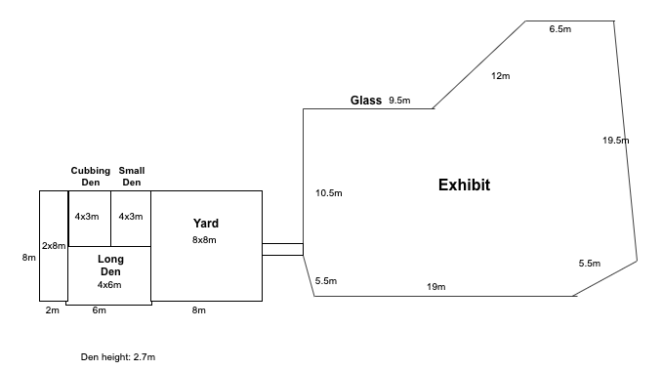
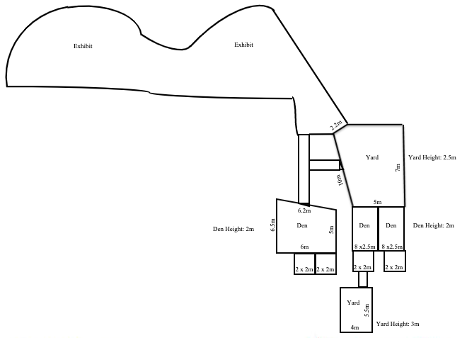
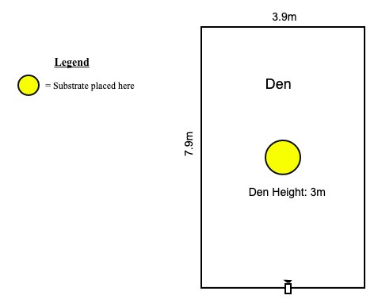
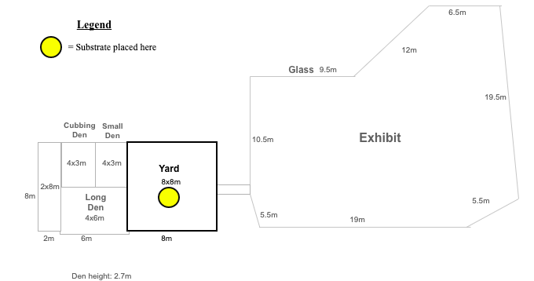
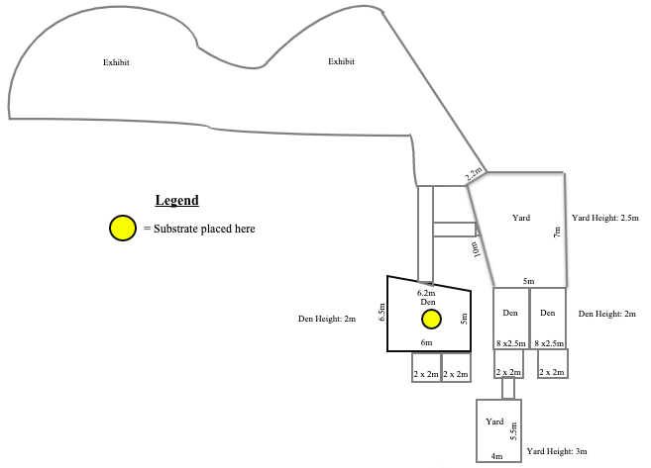
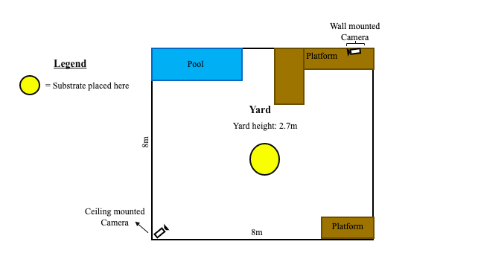
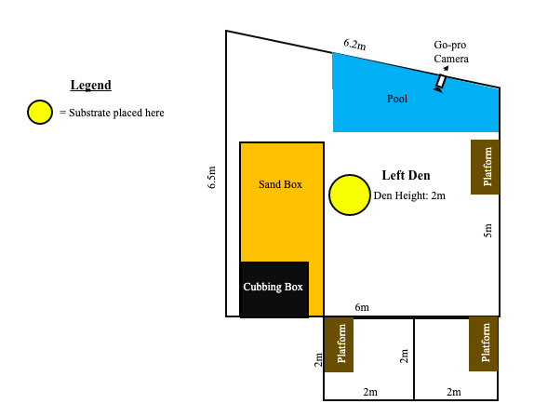
Layout for NS Malayan Tiger Enclosure | Layout for NS Red Dhole 1 | Layout for NS Red Dhole 2

